Welcome to DR Tool
ADR Estimation Tool Framework
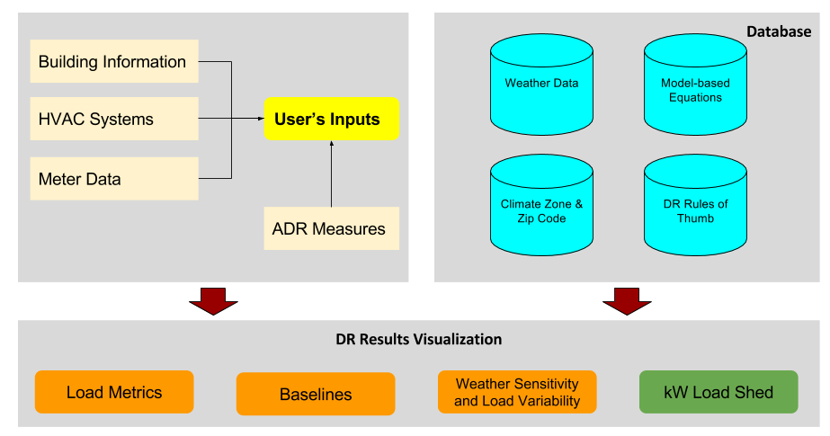

Instructions for LBNL ADR Tool V1.0:
This tool provides DR shed magnitudes for a range of OATs for one of the major DR strategies: 1) HVAC Temp Reset (Precool with Zone Temp Setback).
Step 1: Copy 15-min electricity meter data into the "IDAR Meter Data" sheet. First column is date and time in format "MM/DD/YYYY HH:MM". Second column is meter demand in units of kW in any number format.
Step 2: In the "User Inputs and DR Shed Results" sheet's "ADR Site Description" block: 1. Enter the site name (if desired), 2. Select building type--Office or Retail, 3. Select HVAC type--Rooftop unit(s) or Central Plant and 4. Enter the site's zip code.
Step 3:If HVAC temp reset is strategy of intereset, in the "User Inputs and DR Shed Results" sheet's "HVAC Temp Reset DR Shed Capacity Calculation": 1. Enter the percent of the floor area of the building for which the HVAC temp reset will be applied (0-100), 2. Select the "Precool Period Temp Offset"; either 0 or -2 °F, and 3. Select the "DR Event Period Temp Offset", either 2, 4, or 6 °F.
Estimated kW sheds are calculated in tables and figures in "User Inputs and DR Shed Results".
Temperature ranges shown in HVAC Temp Reset DR Shed Estimates (kW) are Peak Outside Air Temperatures on weekdays in the following ranges: 1 (60-65°F), 2 (65-70°F), 3 (70-75°F), 4 (75-80°F), 5 (80-85°F), 6 (85-90°F), and 7 (Above 90°F).

Note: Only weekdays are selected for DR shed calculations. Weekends, holidays and ADR days in 2018 (if customer has enrolled into 2015 ADR programs) are excluded.

User Inputs and DR Shed Results
User Inputs
ADR Site Description | Data | Note
Name | Example
Building Type | Office
Building Vintage | Post1980
HVAC Type | Rooftop Unit | RTU Duty Cycling is also available for HVAC Type " Rooftop Unit".
Zipcode | 01778
NewCustomers | Yes
Peak Demand (kW) | 240 | Input from User

County | MIDDLESEX
ASHRAE Climate Zone | 5A
City Zone | n/a
Building Type and Size | MediumOffice

User Input of OAT and kW during the DR Event Hours
Hours | OAT (F) | Meter kW
1 | 100 | 200
2 | 98 | 230
3 | 87 | 240
4 | 87 | 230

DR Shed Results of HVAC Temperature Setpoint Reset
HVAC Temp Reset DR Shed Capacity Calculation
Percent of Bldg Floor Area that Temp Reset will Apply (0-100) | 100
Precool Period Temp Offset (°F) | 0
DR Event Period Temp Offset (°F) | 2
Average DR Potential (kW) | 34
Min DR Potential (kW) | 25
Max DR Potential (kW) | 39

Estimated kW Shed during the DR Event Hours
Hours | OAT (F) | Estimated kW Shed | Estimated DR% | Estimated DR_W/ft2
1 | 100 | 39 | 19% | 0.66
2 | 98 | 39 | 17% | 0.55
3 | 87 | 25 | 10% | 0.34
4 | 87 | 18 | 8% | 0.23

HVAC Temp Reset DR Shed Estimates (kW) for Different Peak Temps in Building's Climate Zone

